Task Analysis Graphs
Task Analysis Graphs
Summary (5 Tasks)

First Task | Current AT&T | Recommended | Increase - Efficiency Current to Recommended | Change Rate Plan | Current AT&T | Recommended | Increase - Efficiency Current to Recommended
 | 43% | 75% | 74.4% |  | #REF! | #REF! | #REF!

Post Call Notification | Current AT&T | Recommended | Increase - Efficiency Current to Recommended | Review Billing Information | Current AT&T | Recommended | Increase - Efficiency Current to Recommended
 | #REF! | #REF! | #REF! |  | #REF! | #REF! | #REF!

Service Outage in Customer Area | Current AT&T | Recommended | Increase - Efficiency Current to Recommended
 | #REF! | #REF! | #REF!

Appendix
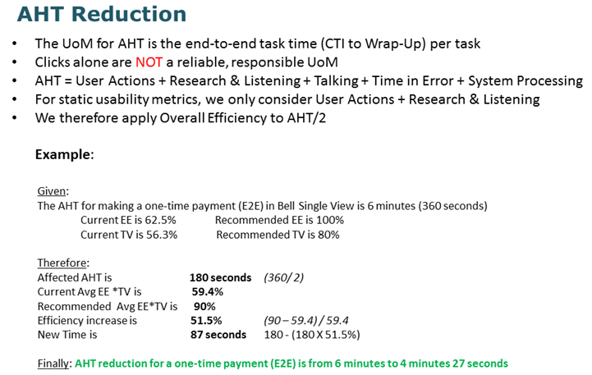
Essential Efficiency (EE) Enacted Steps or discrete actions (conceptual units of interaction)
* Entering data into one field
* Skipping over an unneeded field
* Selecting a field, object, or group of items (click, double-click, drag, etc.)
* Selecting a field with a keystroke
* Switching from keyboard to pointing device and vice versa
* Triggering an action
* Selecting from a menu or menu item
* Shortcut key or action via menu
* Dragging and dropping

Task / Feature Visibility (TV) ** Visibility Rules (from 0 to 1)
* Hidden = 0 (Entering a shortcut in the absence of a visual prompt or cue; Choice is neither obvious nor evident based on visible information
* Suspending = 0 (Switching to another page; Launching another application, window, page, etc.)
* Exposing = 0.5 (Dropdown; Menu; Right-Click; Popup; Drill-down; Opening Tool/Palette/Toolbox; Switching to another part of the screen/page like a tab)
* Direct = 1 ( Direct Action, where choice is evident)

Usability Metrics
Essential Efficiency (EE) – measures the efficiency of user steps (intention/action) of a use case or task as a ratio of the essential length (simplest, most straightforward interaction) to the actual enacted length*.
Task Visibility (TV) – measures the fit between the visibility of features and the capabilities needed to complete a given task or set of tasks. Use Interfaces should show users exactly what they need to knowor need to use to be able to complete a given task.
 | Where, Vi = feature visibility** (0 to 1) of enacted step i Stotal = total number of enacted steps to complete a use case

Applying Efficiency Increase to KPIs (Average Handling Time - AHT)

